Instructions
 |  | B2B e-reporting semantic format

 |  |  |  | working version 1.7

Document presentation

This document is organised in several sheets : - The "Version" sheet to consult the changes for each version delivered - The "Instructions" sheet - The sheet dedicated to the e-reporting flow 10 semantic format All blocks, sub-blocks and data are detailed according to the following characteristics:

 | Column A "ID" : is the unique field identifier which will always be referred to. It should never be amended.

 | Column B "Cardinality" : indicates the number of possible relationships between two items of a data model. Its value can be single (1) or multiple (*).

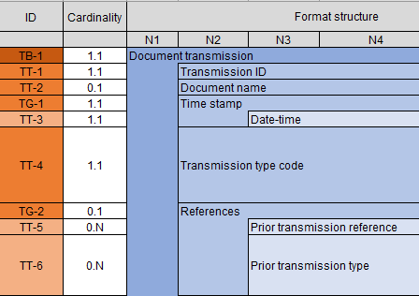
 | Columns C-D-E-F-G “Format structure”: show the tree structure of the semantic format.
 | The data is grouped into blocks, which can themselves be grouped into blocks: together they constitute the semantic format.

 |  |  | The format of the e-reporting Flow 10 consists of 3 blocks, each one including other blocks. The tree structure contains up to 5 levels.

 | Columns I "Path" : refers to the path of the referring standard

 | Columns J-K “Logical type” and “Length”: indicate the characteristics of each data item. List of logical type values: Boolean, Date, identifier, list, number, text, etc.

 | Column L “Business Definition”: indicates the business definition for each data item.

 | Column L “Values & Nomenclatures List”: indicates all possible values in the case of “list” type data. The values are detailed in Annex 7 - Management Rules. In some cases, a management rule may restrict the values.

 | Column N “Management rules to follow”: refers to the mangement rule(s) for each data which you will fin in Annex 7 - Management Rules.
 | Column O "Data present in international B2B": these are the fields required for e-reporting international B2B operations. These fields can also be found in appendix 4 on international B2B invoice data (flow 8).
 | Column P "B2C data": these are the fields required for e-reporting B2C transactions. These fields can also be found in appendix 5 on B2C invoice data (flow 9).
 | Column Q "Sub-streams": indicates to which sub-stream(s) of stream 10 the field in question corresponds (streams 10.1, 10.2, 10.3 and/or 10.4).

